1. Title Page
INSTACART BASKET ANALYSIS

Project Name: Instacart Basket Analysis
Date: 23rd December 2023
Analyst Name: Prateek Sharma

Contents:
Population Flow
Consistency checks
Wrangling steps
Column derivations
Visualizations
Recommendations

Data Citation | Links | Comments
The Instacart Online Grocery Shopping Dataset 2017 via Kaggle | http://www.instacart.com/datasets/grocery-shopping-2017 | Data explored in Exercises 4.9 and 4.10, as well as the “prices” column in the products data set, were both fabricated for the purpose of this specific anallysis.
Region information in Wikipedia article | https://simple.wikipedia.org/wiki/List_of_regions_of_the_United_States | Used to region columns based on the state column in the customer data set

2. Population Flow
Title page

Population flow

Exclusion flag
Condition: max_order <
Obervations to be removed:
Final total count of order_products_all:

Orders_products_combined
Orders_products_merged
Orders_products_all

Total:30328763
Total:30356421
Total:30328763

1.) The grey boxes in the first row of the population flow represent the original data sets as they were when you downloaded them. In the Total fields you need to add the count of the rows when you imported the data set into Jupyter.
2.) The second row of boxes (coloured) represents the data sets after you manipulated them, e.g., removed missing values and duplicates. In the Total fields you need to add the count of the rows after conducting these operations. This offers a visual oveview of how the data flows throughout the data consistency checks.
3.) The third row, where also the arrows are coloured, represents the merges you performed between the datasets. In the Total fields you need to add the count of the rows in the merged datasets, so that you end up with the final dataset (in the red box). Keep in mind the final dataset should be without exclusions (based on the exclusion flag).

3. Consistency checks
 |  |  |  | Title page
Consistency checks

Dataset | Missing values | Missing values treatment | Duplicates
orders | 206209 values in "days_since_prior_order' | first created a susbset df_nan and then created df_ords_cleaned to exclude df_nan subset | No entries found
products | product_name - 16 | created a new dataframe for non missing values | 5 duplicate values dropped
orders_products_prior | NA | NA | No entries found
customers | None | None | None
orders_products_active_cust | 4598 values | created a new clean subset | No entries were found

4. Wrangling steps
 |  |  |  | Title page
Wrangling steps

Columns dropped | Columns renamed | Columns' type changed | Comment/Reason
eval_set from orders df | None | None | not needed for the analysis
 | Orders: order_dow to oders_day_of week |  | to make it clear what it means for a better understanding
Unnamed:0 from orders df | None | None | not required for analysis
Unnamed:0 from products df | None | None | not required for analysis
 |  | Customer:first_name | Changed it to a string from mix-data type
 | Customers:'FirstName':'first_name','Surnam':'last_name','Gender':'gender','STATE':'state','Age':'age','n_dependants':'number_of_dependants', 'fam_status':'marital_status', all theese column names were changed for uniformity |  | for text uniformity and better understanding
None | None | None | user_id,first_name,last_name,gender,state,age,date_joined all of these can be considered as PII data

5. Column derivations
 |  |  |  | Title page

Column derivations and aggregations

In this tab you should add tables below that the frequences of flags/label variables that you produced after deriving them. NB: don't do this for continuous variables, only for flags.
Dataset | New column | Column/s it was derived from | Conditions
ords_prods_merged | price_range_loc | prices | Low-range product (<5)
 |  |  | Mid-range product (>5 and <=15)
 |  |  | High-range product (>15)
 | Busiest_days | order_dow | Busiest days if value == 0 or value ==1
 |  |  | Slowest days if value == 4 or value == 3
 |  |  | Regualrly busy days for remaining values
 | Busiest_period_of_day | order_hour_of_day | Most orders if value in [10,11,14,15,13,12,16,9]
 |  |  | Fewest orders if value in [3,4,2,5,1,0,6,23]
 |  |  | Average orders for remaining values
ords_prods_derived | loyalty_flag | max_order | >40 is loyal customer
 |  |  | <=40 and >10 is regular customer
 |  |  | <=10 is new customer
 | spender flag | spending_habits | >=10 is high spendiner
 |  |  | <10 is low spender
 | frequency flag | order_frequency | >20 is non-frequent customer
 |  |  | >10 and <= is regular customer
 |  |  | <=10 is frequent customer
orders_products_viz_Part1 | Regional_flag | state | Northeast, Midwest, South, and West region
 | customer_activity | max_order | <5 is low activity, else active
orders_products_active_cust | age_segment_flag | age | >=18 and <38 are young adults
 |  |  | >=38 and <58 middle aged
 |  |  | .=> 58 are seniors
 | Income_group | income | .<=67334 lowest income
 |  |  | >67334 and < 128089 Avg income
 |  |  | >128909 highest income
 | fam_size | marital_status | married with dependenants ==0 , married without kids
 |  |  | married with dependenants ==1 , married with kids
 |  |  | single with dependenants ==0 , married without kids
 |  |  | single with dependenants ==1 , married with kids
 |  |  | Divorced/widowed with dependenants ==0 , Divorced/widowed without kids
 |  |  | Divorced/widowed with dependenants ==1 , Divorced/widowed with kids
 |  |  | Living with family and dependenants ==0 , Living with family but no kids
 |  |  | marriLiving with family and dependenants ==1 , Living with family but with kids

6. Visualizations
 | Title page
Visualisations

Visualizations


Busiest and Slowest hour
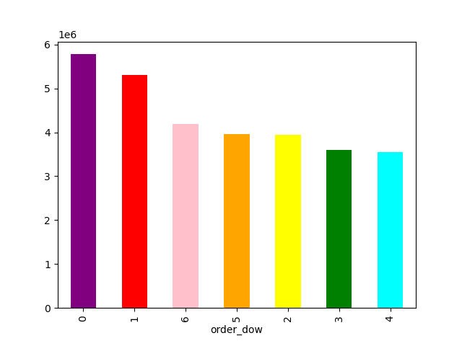
Order Day of Week

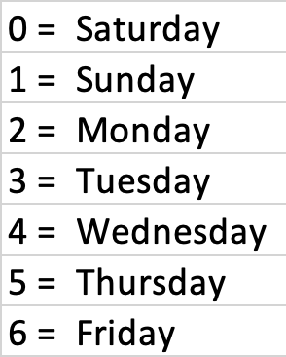

Busiest hours for placing the orders are between 9 am to 4 pm and then declines by the hour and the slowerst time period is between midnight to 6 am
Shows the highest number of orders placed on the weekends i.e Saturday and Sunday

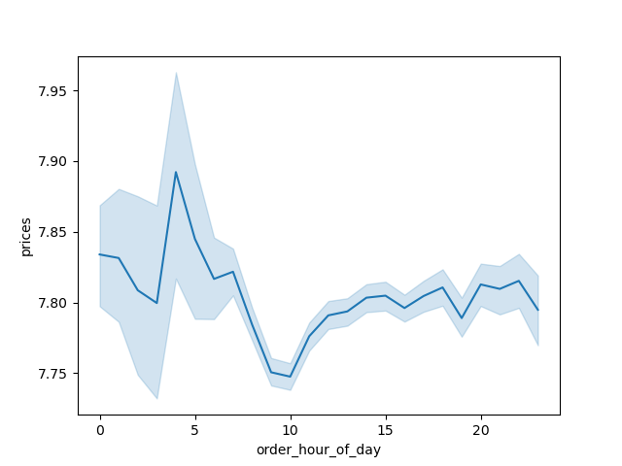
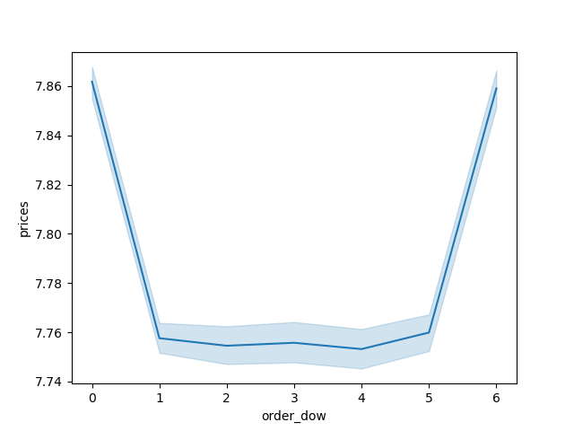
Hourly Order Prices
Daily Order Prices

Customers generally tend to make high value purchases areound 3 am - 4 am, least value around 10 am and stays consistent betwen 10 am to 5 pm
Customer purchasing behavior tends to peak over the weekends, with a noticeable decline in activity during the weekdays


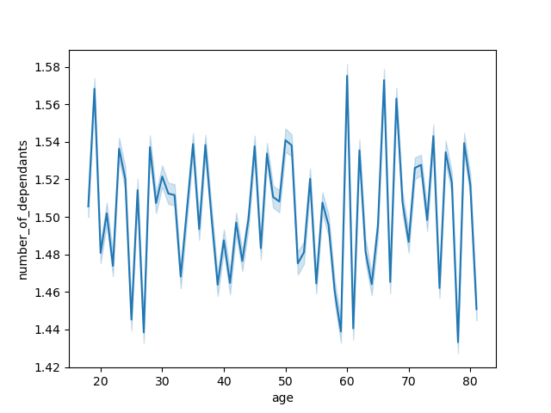
Spending Power
Age and dependants

Relationship seems to be ansurd and there is no correlation between the age and no. of dependants.
- Between ages 20 to 40 have lower spending power as compared to 40 above and majority of people have income under 200000.
- 40 years and above are in a higher income bracket ranging 400000 to 600000 which shows that spending power increases with age.

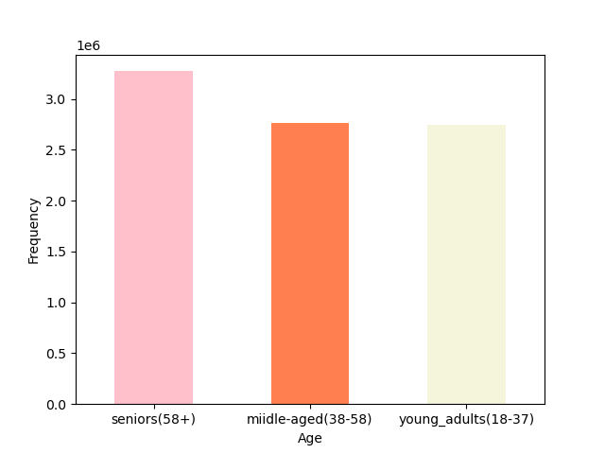
Age Segments
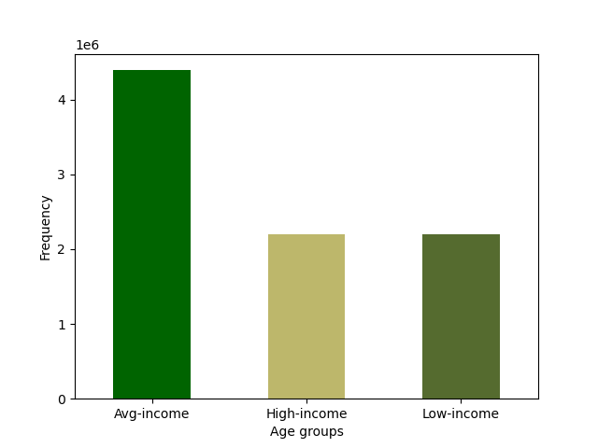
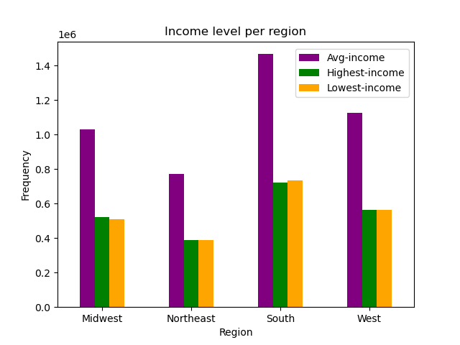
Income groups

It depicts that seniors(58+) constitutes to a substantial proportion of Instacart's customer base, indicating their significant presence within their clientele.
Data reveals that the majority of the customers fall within the average income group in all the regions, showing the prominence within the customer base.

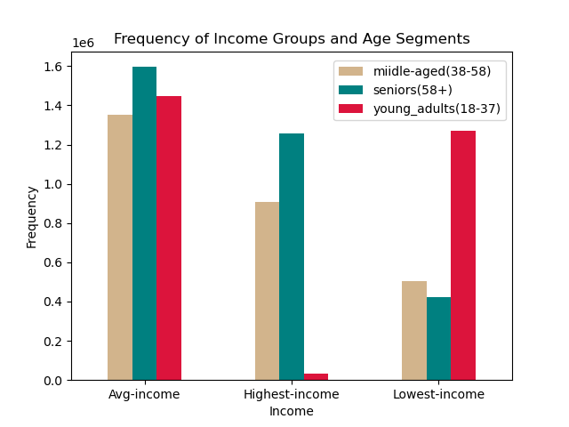
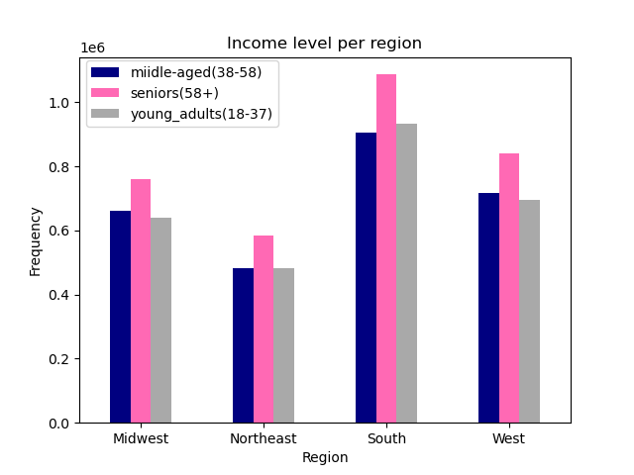
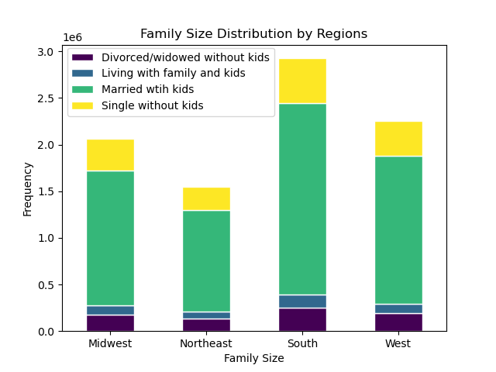

Illustrates that seniors(58+) have a stronghold over all 4 regions followed by middle-aged and young adults
Shows regional distribution of family groups. Married with kids category holds a major share in all regions.

A bar chart depicting income variations across three categories: middle-aged, seniors, and young adults.

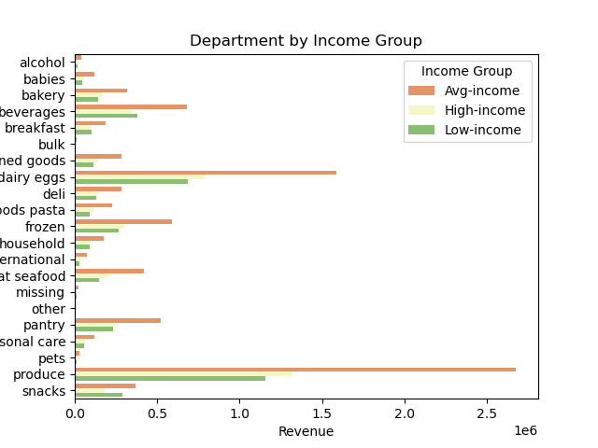
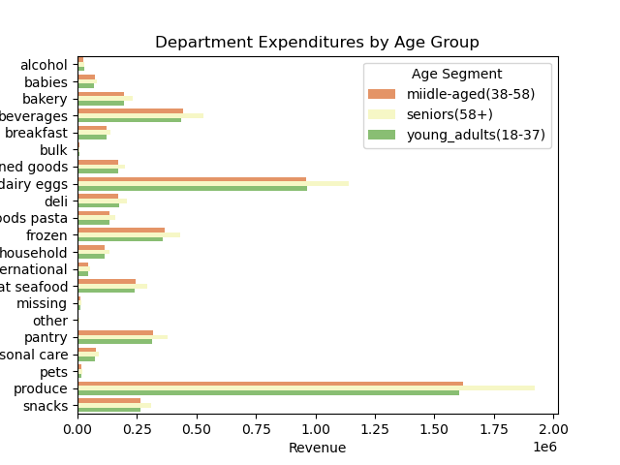

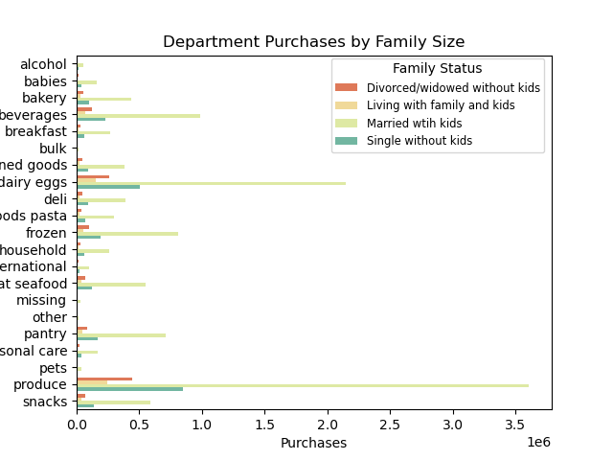

Across all demographics, including age groups, income levels, and family statuses, the consistent trend in department orders reveals that produce consistently holds the top position, followed by dairy eggs, and beverages.

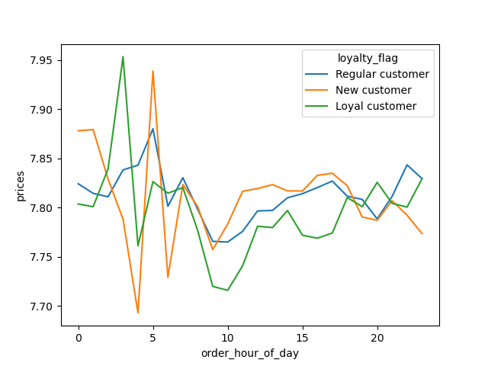
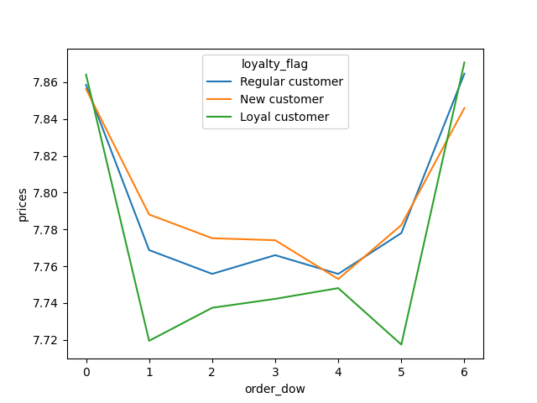

Data suggests a distinct temporal pattern in hourly purchases among customer segments. Regular customers peak in order placement around 5 am, whereas new customers experience a decline in orders around that hour. Loyal customers shows a more diverse and flexible pattern in their purchasing behavior
in terms of weekly purchases, Loyal customers consistently show distinct ordering patterns, with noticeable declines in purchases on both Sundays and Thursdays.

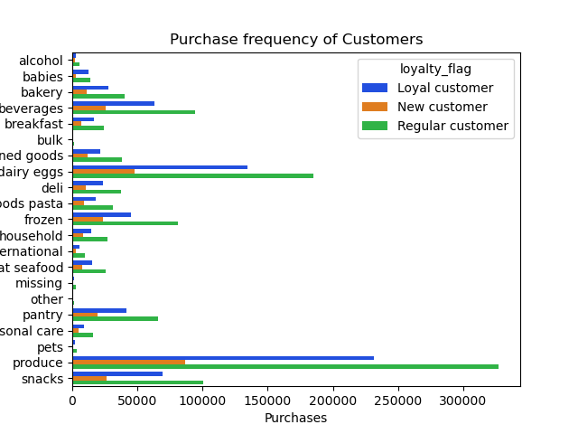

Customer Order Frequency

Depicts frequency within the customer segments in terms of items purchases. Produce and dairy eggs are the most favoured items by regular customers and closely followed by loyal customers
Shows overall frequency of orders and the contribution of each user group to the order placement.

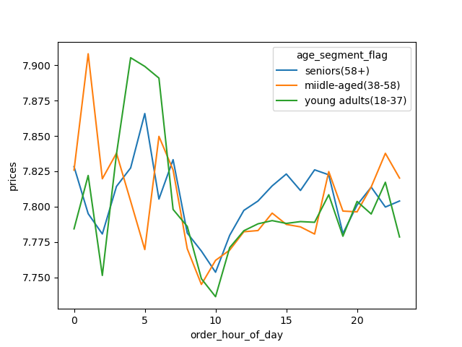
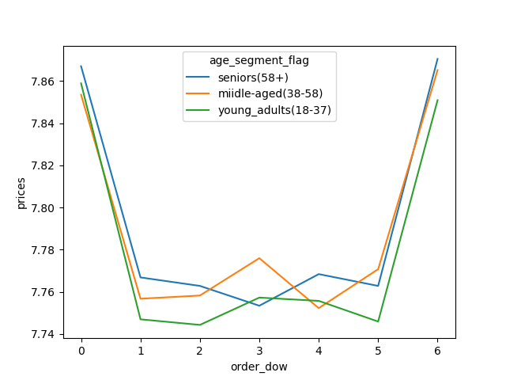

Trend shows purchases are the lowest level for all age segments betwen Sunday to Thursday and are the most from Friday and Saturday
Highest fluctutation purchasing times was observed in the early morning hours. a significant decline in orders is evident for all the age segments is around 10 am,. Middle aged customers spends the most in the early hours closely followed by young adults.


Price Distribution
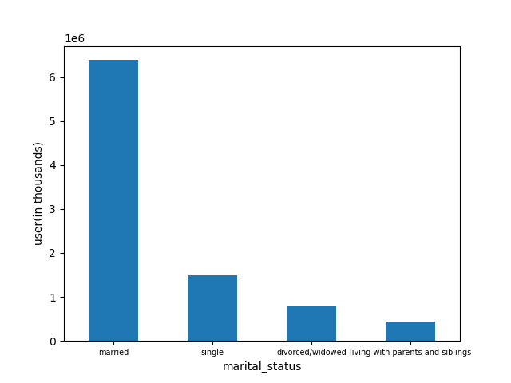
Family group Category

illustrates purchase distribution based on price categories. Notably, a predominant pattern emerges as the majority of transactions fall within the $15 range.

7. Recommendations
 |  |  |  | Title page

Recommendations

Key Question | Answer | Recommendations | Visualizations
The sales team needs to know what the busiest days of the week and hours of the day are (i.e., the days and times with the most orders) in order to schedule ads at times when there are fewer orders. | Busiest days of the week are Saturday and Sunday and the busiest hours with the most orders are 09:00 to 16:00 | Considering the order placement patterns, I recommend strategically scheduling advertisements to maximize impact. Focus on weekends (Saturday and Sunday) and weekdays (Monday to Friday) beween 9 am to 4 pm from when order activity is at its peak. It can potentially help with increased engagement and sales | 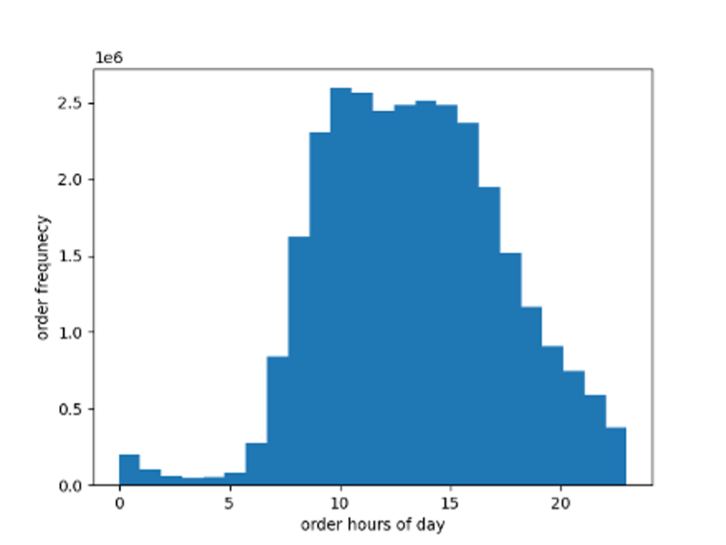
They also want to know whether there are particular times of the day when people spend the most money, as this might inform the type of products they advertise at these times. | As per the trend, more expensive items are favored around 3 am, while the least expensive items at 10 am | Its very unsual to see that people are spending most money that early in the morning, this needs to be investigated further to check if its just a few high value purchases that are spiking the graph and meanwhile promote budget-friendly items at 10 am would like help to tap into the customer base who are inclined to spend more money at specific times of the day | 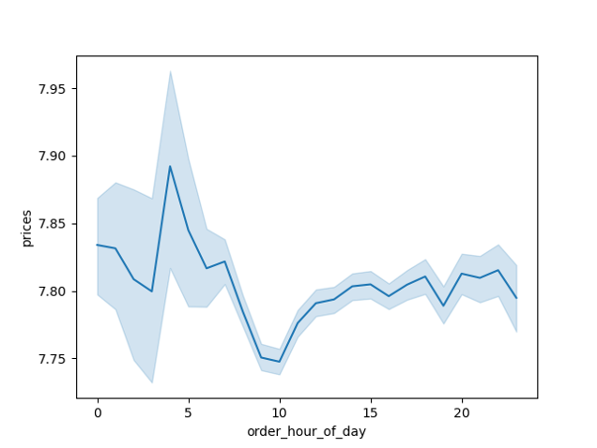
Instacart has a lot of products with different price tags. Marketing and sales want to use simpler price range groupings to help direct their efforts. | Most products fall within the $2-$15 price range, indicating that majority of the customers have a preference towards affordable items | Implementing simplifed pricing range groupings such as $1 to $5, $5 to $10 and $10 to $15 for marketing and sales to enhance efficiency by helping to streamline campaigns and at the same time enabling sales departement to target specific segements effectively. | 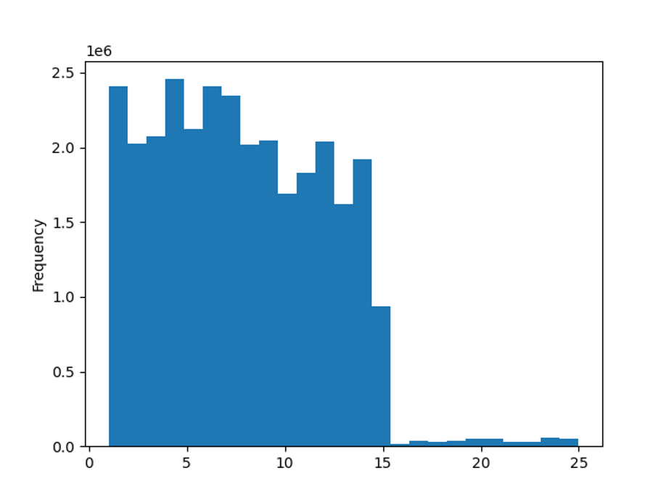
Are there certain types of products that are more popular than others? The marketing and sales teams want to know which departments have the highest frequency of product orders. | The orders with highest frequency are Produce, Dairy eggs, and Beverages | Marketing and sales teams should prioritize Produce, Dairy eggs, and Beverages in promotional campaign efforts. For other products Instacart can provide bundle options with high frequency items to increase revenue | 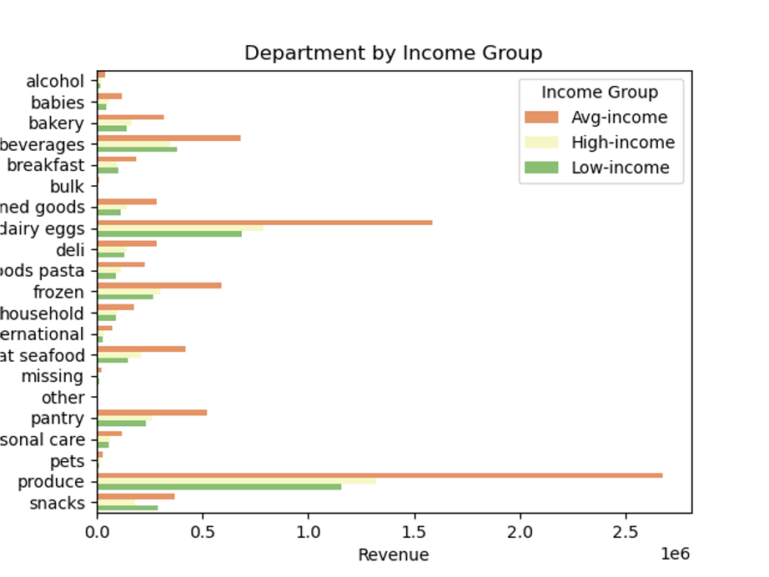
The marketing and sales teams are particularly interested in the different types of customers in their system and how their ordering behaviors differ. | There are a variery of customers types such as users by income, by age and family size | To optimize marketing and sales efforts, it's crucial to consider distinct age groups and tailor strategies accordingly. As individuals over 40 generally have higher spending power, the sales and marketing team should prioritize targeting this demographic. This will likely result in more impactful campaigns, resonating with the purchasing power of the high income age group and maximizing overall sales potential. | 
 |  |  | 

